Plotly
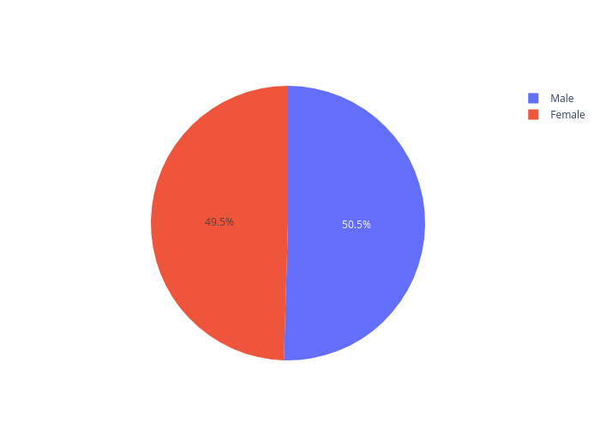
https://plotly.com/~upade.arfah18/12/

